Sheet1
Index | Authors | Year | Gap | Sensor Types | Type | Name of Journal/Conference | Model | Data Sets | Methodology | Future Recommendations | Diagram
1 | De Jong Yeong Gustavo Velasco-Hernandez John Barry Joseph Wals | 2021 | unexpected conditions and behaviors from other vehicles Harsh weather conditions | Cameras Lidar Radar | Journal |  | YOLO SSD VoxelNet PointNet |  |  | 1.automatically detect and refine calibration parameters to provide precise estimation 2.enhance existing sensor fusion algo- rithms through deep learning approaches
2 | Xuyang Bai Zeyu Hu Xinge Zhu Qingqiu Huang Yilun Chen Hongbo Fu Chiew-Lan Tai | 2022 | bad illumination sensor misalignment | Lidar Camera | Conference | CVF | DETR | nuScenes Waymo | 1.transformer based detection head first decodes object queries into initial bounding box predictions using the LiDAR information 2.performs LiDAR-camera fusion by attentively fusing object queries with useful image features |  | 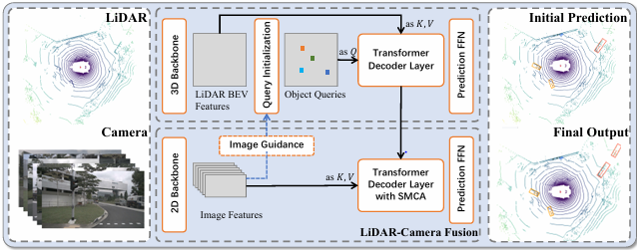
3 | Xuanyao Chen Tianyuan Zhang Yue Wang Yilun Wang Hang Zhao | 2023 |  | Cameras Low-res Lidar High-res Lidar Radar | Conference | CVF | FUTR3D | nuScenes | 1. data from different sensor modalities can be encoded by their modality-specific feature encoders 2. MAFS is used to sample and aggregate features from all modalities 3.shared transformer decoder head is used to refine the bounding box predictions based on the fused features 4.loss is based on set-to-set matching between predictions and ground-truths | further investigation into the multi modal optimization techniques for 3D object detection | 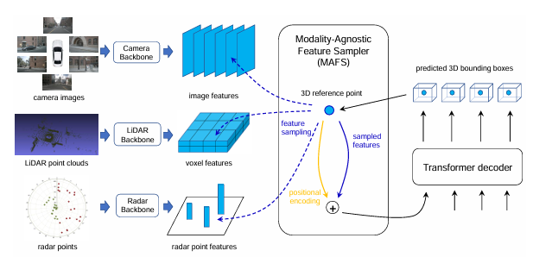
4 | Ramin Nabati Hairong Qi | 2021 | adverse weather conditions detecting objects’ velocity | Camera Lidar | Conference | CVF | PointFusion Frustum PointNet | nuScenes | 1.MV3D extracts features from the front view and Bird’s Eye View 2.The features obtained from the LiDAR’s BEV are then used to generate 3D object proposals, and a deep fusion network is used to combine features from each view and predict the object class and box orientations
5 | Yingwei Li Adams Wei Yu Tianjian Meng Ben Caine Jiquan Ngiam Daiyi Peng Junyang Shen Yifeng Lu Denny Zhou Quoc V. Le Alan Yuille Mingxing Tan | 2022 | sensor misalignment | Camera Lidar | Conference | CVF | DeepFusion PointPillars CenterPoint 3D-MAN | Waymo |  |  | 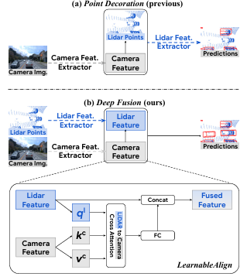
6 | Zhijian Liu Haotian Tang Alexander Amini Xinyu Yang Huizi Mao Daniela L. Rus Song Han | 2024 | camera-to-LiDAR projection throws away the semantic density of camera features | Camera Lidar | Conference | IEEE ICRA | BEVFusion Swin-T VoxelNet FPN | nuScenes Waymo | 1. apply modality-specific encoders to extract their features 2.transform multi-modal features into a unified BEV representation that preserves both geometric and semantic information 3.dentify the efficiency bottleneck of the view transformation and accelerate BEV pooling with precomputation and interval reduction 4.apply the convolution-based BEV encoder to the unified BEV features to alleviate the local misalignment between different features
7 | Yanwei Li Xiaojuan Qi Yukang Chen Liwei Wang Zeming Li Jian Sun Jiaya Jia | 2022 | asynchronous augmentation brings cross-modality misalignment and instability | Camera Lidar | Conference | CVF | Voxel Field Fusion | KITTI nuScenes
8 | Shaoqing Xu Dingfu Zhou Jin Fang Junbo Yin Zhou Bin Liangjun Zhang | 2021 | boundary-blurring effect due to the relatively low resolution of the deep feature map correspondence of 3D points to 2D image pixels is not exactly a one-to-one projection due to the digital quantization problem | Camera Lidar | Conference | IEEE ITSC | FusionPaint | nuScenes | the fusion process is achieved by adaptively integrating 2D and 3D information at the semantic level | deeply integrate the 2D/3Dsemantic segmentation branches into the detection framework and simultaneously achieve instance segmentation and 3D object detection tasks. | 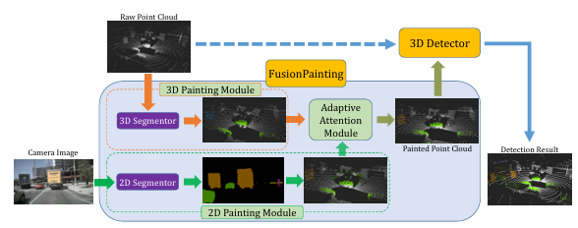
9 | Li Wang Xinyu Zhang Ziying Song Jiangfeng Bi Guoxin Zhang Haiyue We Liyao Tan Lei Yang Jun Li Caiyan Jia Lijun Zhao | 2023 | point-cloud-based methods derived by LiDAR or RADAR, considerably limits their performances by sparsity and disorderliness of points image-based methods provide insufficient geometrical information | Camera Lidar |  |  |  |  |  |  | 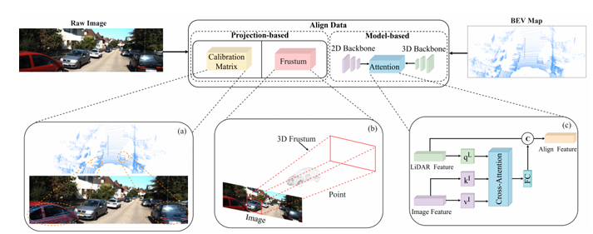
10 | Taohua Zhou Yining Shi Junjie Chen Kun Jiang Mengmeng Yang Diange Yang | 2023 | direct projecting through a calibration matrix ignores the view discrepancy between different sensors | Radar Camera | Journal |  | RCBEV | nuScenes | 1.multi-scale features under image view are extracted through a well-performed backbone network, such as Swin Transformer 2. image-view features and depth estimation results are lifted to a visual frustum with a designed view transformer 3.features are further extracted under the BEV space | how to utilize the fusion model to realize a unified perception of dynamic and static elements in driving scenes to reconstruct an integrated 3D environment | 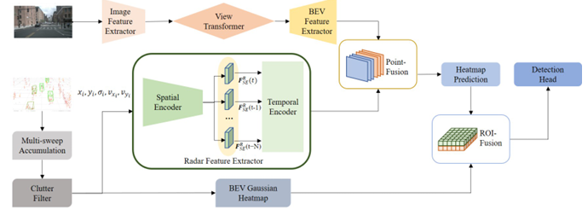
11 | Rui Qian Xin Lai Xirong Li | 2022 | no recent literature exists to collect the growing knowledge concerning 3D object detection | Camera Lidar
12 | Hanqi Zhu Jiajun Deng Yu Zhang Jianmin Ji Qiuyu Mao Houqiang Li Yanyong Zhang | 2022 | interaction between sparse 3D points and dense 2D pixels has not been explored well | Camera Lidar | Journal | IEEE | VPFNet | KITTI | 1. Virtual Points Selection 2.Associating Image Features to Virtual Points 3.Aggregating LiDAR Point Features at Virtual Points 4.Weighted Multi-Branch Combination 5.Data Augmentation |  | 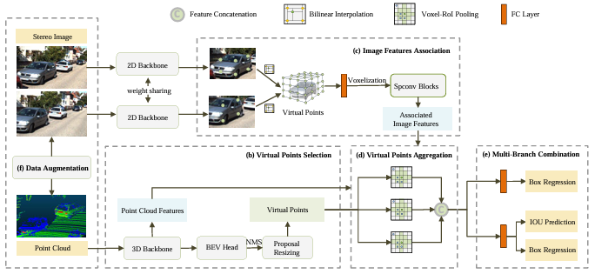
13 | Ji Dong Choi Min Young Kim | 2023 | poor lighting conditions, dazzling sunlight, or bad weather | Thermal Infrared Camera Lidar | Journal | ICT Express | YOLOv4 |  | Algorithm was created to combine the coordinate system between the sensors into one common coordinate frame | 3D object detection research will be conducted using the reconstructed 3D thermal point cloud data
14 | Zhe Liu Tengteng Huang Bingling Li Xiwu Chen Xi Wang Xiang Bai | 2022 | handling 3D object detection in highly sparse point cloud scenes | Camera Lidar | Journal | IEEE | EPNet++ | KITTI JRDB SUN-RGBD | 1. propose two feature fusion modules, including a LiDAR-guided Image Fusion (LI-Fusion) module to unidirectionally enhance the semantic information of point features with image features and a Cascade Bi-directional Fusion (CB-Fusion) module to enable bidirectional feature enhancement between LiDAR and camera images 2. employ the Multi-Modal Consistency loss (MC loss) to promote consistency of the foreground/background classification confidence predicted from the LiDAR point cloud and camera image | investigate more efficient architecture for multi-modal fusion through unifying different sensors into one stream | 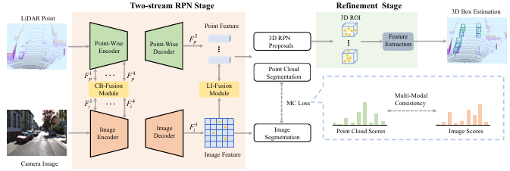
15 | Xiaobin Xu Lei Zhang Jian Yang Chenfei Cao Wen Wang Yingying Ran Zhiying Tan and Minzhou Luo 1 | 2022 | the LIDAR-based SLAM system will degenerate and affect the localization and mapping effects in extreme environments with high dynamics or sparse features | Camera Lidar IMU | Journal | MDPI |  | UrbanNav
16 | Keli Huang Botian Shi Xiang Li Xin Li Siyuan Huang Yikang Li | 2022 | only a few literature reviews concentrate on the methodology of multi-modal fusion methodology itself, and most of them follow a traditional rule of separating them into three major classes as early-fusion, deep-fusion, and late-fusion | Camera Lidar |  |  |  | KITTI Waymo nuScenes |  | explore how distance can be used as a parameter to optimize the model or add logical post-processing to improve performance further | 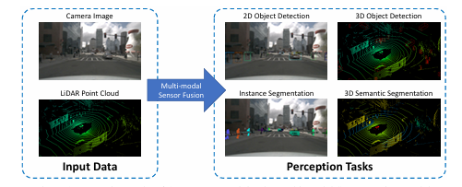
17 | Xinli Xu Shaocong Dong Tingfa Xu Lihe Ding Jie Wang Peng Jiang Liqiang Song Jianan Li | 2023 | point-based fusion methods tend to ignore the semantic density of image features and heavily rely on the image segmentation sub- network | Camera Lidar | Journal | MDPI | FusionRCNN | KITTI Waymo |  |  | 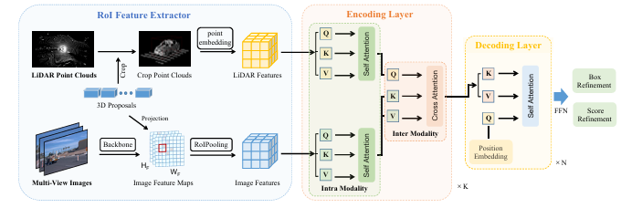
18 | Jiageng Mao Shaoshuai Shi Xiaogang Wang Hongsheng Li | 2023 | previous surveys only focus on detection from point cloud, from monocular images, and from multi-modal inputs | Camera Lidar |  |  |  |  |  |  | 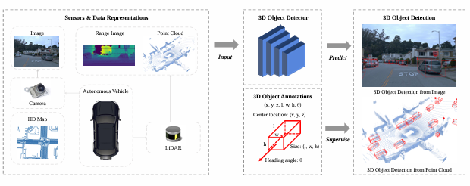
19 | Zhiqing Wei Fengkai Zhang Shuo Chang Yangyang Liu Huici Wu Zhiyong Feng | 2022 | most object detection surveys from recent time focus on visual solutions | mmWave Radar Lidar
20 | Anshul Paigwar David Sierra-Gonzalez ¨Ozg¨ur Erkent Christian Laugier | 2021 | LiDAR-only approaches suffer at localizing smaller objects like pedestrians in 3D point clouds, fewer data points | RGB Camera Lidar | Conference | CVF | Frustum-PointPillars | KITTI |  | leverage the object class information provided by 2D detectors to improve multi-class 3D detection. Improving 2D detection in low light conditions using data from RGB and Lidar | 